Sheet1
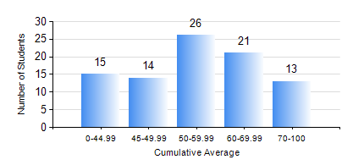
 |  |  | KWAME NKRUMAH UNIVERSITY OF SCIENCE AND TECHNOLOGY, KUMASI Department of Mechanical Engineering

 |  |  | BSC. INDUSTRIAL ENG.

 |  |  | COMPREHENSIVE RECORD OF EXAMINATION RESULTS

 |  |  | RESULTS OF YEAR 1 FIRST SEMESTER, 2024/2025 ACADEMIC YEAR

 | Sn | Course Code |  | Course Name | Credit Hours | Min. Mark | Max. Mark | Avg. Mark | Std. Dev. | No. Passed | No. Trailed | No. (Df) | No. (I) | No. (I*) | No. Tagged(I,I*,Df) | Total
 | 0. |  |  |  |  |  |  | 0 | 0 | 0 | 0 | 0 | 0 | 0 | 0 | 1
 | 1. | CE 155 |  | ENVIRONMENTAL STUDIES | 2 | 25 | 73 | 52 | 11.99 | 79 | 9 | 0 | 0 | 0 | 0 | 88
 | 2. | EE 151 |  | APPLIED ELECTRICITY | 3 | 16 | 93 | 51 | 17.08 | 74 | 13 | 0 | 1 | 0 | 1 | 88
 | 3. | ENGL 157 |  | COMMUNICATION SKILLS I | 2 | 36 | 86 | 62 | 10.97 | 87 | 1 | 0 | 0 | 0 | 0 | 88
 | 4. | MATH 151 |  | ALGEBRA | 4 | 21 | 94 | 54 | 18.3 | 72 | 15 | 0 | 1 | 0 | 1 | 88
 | 5. | ME 157 |  | INTRODUCTION TO INFORMATION TECHNOLOGY | 2 | 40 | 80 | 55 | 10.89 | 88 | 0 | 0 | 0 | 0 | 0 | 88
 | 6. | ME 159 |  | TECHNICAL DRAWING | 3 | 27 | 83 | 55 | 13.7 | 83 | 5 | 0 | 0 | 0 | 0 | 88
 | 7. | ME 195 |  | ENGINEERING TECHNOLOGY | 2 | 56 | 81 | 71 | 5.36 | 88 | 0 | 0 | 0 | 0 | 0 | 88

